Tabelle1
Artikelnr./ Item No. | Zeichnungsnr./ Drawing No. | Beschreibung/Description | Material | Gewicht in KG | Jahresmenge/ Annual Amount: | Lieferlos/ deliuvery batch | Design
Z059.986-0 | SOG160.0022-1-01 | GEHAEUSE M SOG160.0022-1-01 | EN-GJL-200 | 0.201 | 100 | 100 Stck | 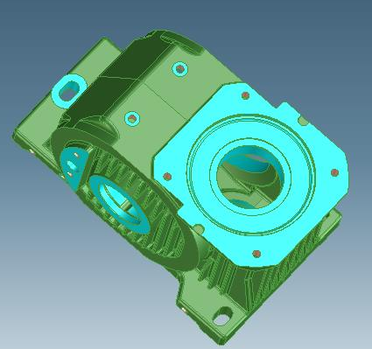 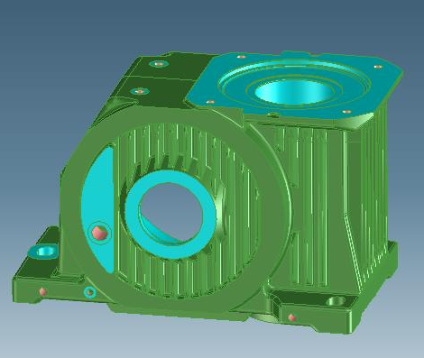
Z303.183-0 | DRW395.0009-1-01 | GEHAEUSE M DRW395.0001-1-01-UN | EN-GJS-400-15 | 85.6 | 800 | 100 Stck | 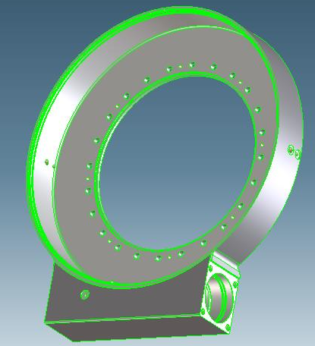
Z303.119-0 | FTS140.1-1-01 | GEHAEUSE M FTS140.1-1-01 | EN-GJL-250 | 62 | 20 | 50 Stck | 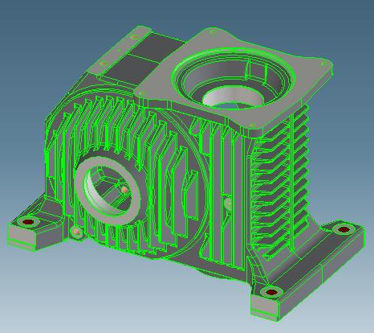
Z303.112-0 | FTS160.2-1-01 | GEHAEUSE M FTS160.2-1-01 | EN-GJL-250 | 84.9 | 60 | 100 Stck
Z302.031-0 | S400.1-5-37-1001 | RADKOERPER M S400.1-5-37-1001- | EN-GJS-400-15 | 180 |  | 10 Stck | 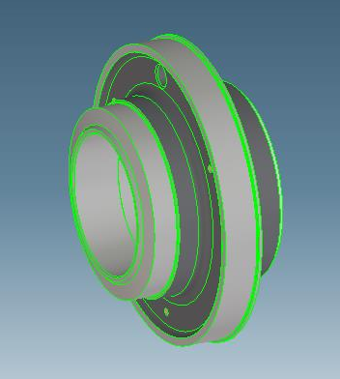
Z303.120-0 | FTS140.1-1-02 | LAGERDECKEL M FTS140.1-1-02 | EN-GJL-250 | 9.6 | 150 | 15 / 60 / 200 Stck | 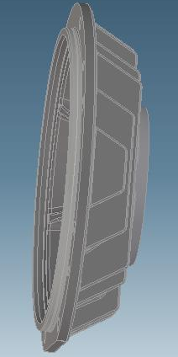
H050.716 |  | GEHAEUSEHAELFTE M 129.0222 | EN-GJL-250 | 92 | 20 | 60 Stck
Z303.113-0 | FTS160.2-1-02 | LAGERDECKEL M FTS160.2-1-02 | EN-GJL-250 | 13.7 | 60 | 100 Stck | 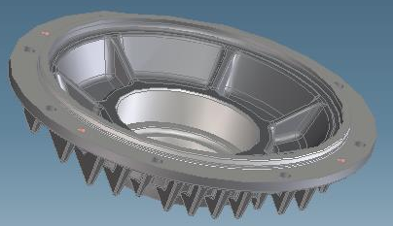
Z059.772-0 | SOG160.0021-1-02 | LAGERDECKEL M SOG160.0021-1-02 | EN-GJL-200 | 14.6 | 100 | 200 Stck | 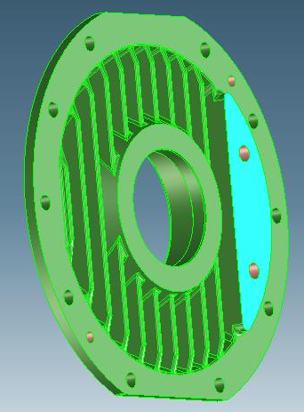
H051.214 |  | LAGERDECKEL M 34.8112 5102 | EN-GJL-200 | 21.4 | 30 | 40 Stck
Z301.254-0 | DRW395.0001-1-02 | DECKEL M DRW395.0001-1-02-UNGRUNDIERT | EN-GJL-200 | 2.35 | 1000 | 500 Stck | 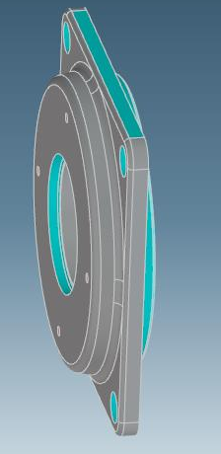
H051.215 |  | RADKOERPER M 34.8112 5500-UNGRUNDIERT | EN-GJS-400-15 | 30.7 | 15 | 20
Z058.224-0 | SSM160-1-02 | LAGERDECKEL M SSM160-1-02 | EN-GJL-200 | 14 | 10 | 5 | 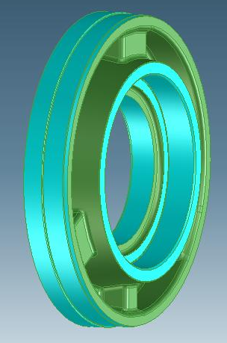
Z059.787-0 | SOG160.0021-5-24.5-1 | RADKOERPER M SOG160.0021-5-24.5-1 | EN-GJS-400-15 | 12.78 | 50 | 50/150 | 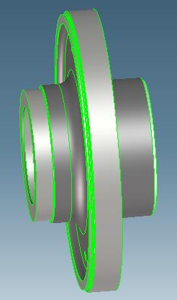
Z059.903-0 | SOG115.0001-1-02 | DECKEL M SOG 115.0001-1-02 | EN-GJS-400-15U | 5.5 | 400 | 3/15/50 | 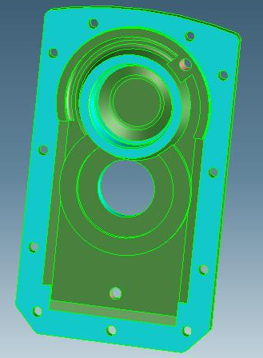
Z059.909-0 | SOG50.0011-1-01 | GEHAEUSE M SOG50.0011-1-01 | EN-GJL-150 | 9.5 | 100 | 50
Z059.911-0 | SOG50.0011-1-02 | LAGERDECKEL M SOG50.0011-1-02 | EN-GJL-200 | 1 | 100 | 75
Z059.912-0 | SOG50.0011-9-01 | FLANSCH M SOG50.0011-9-01 | EN-GJL-200 | 2 | 100 | 40
Z301.301-0 | SOG315.0001-9-01 | ABDECKHAUBE M SOG315.0001-9-01 | EN-GJL-150 | 4.1 | 200 | 12/50 | 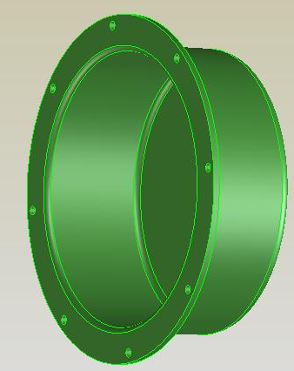
Z301.490-0 | S280.1-1-05 | DECKEL M S280.1-1-05 | EN-GJL-200 | 8.34 | 120 | 12/50 | 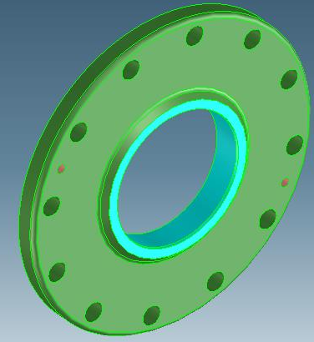
Z301.512-0 | SOG90.0007-1-01 | GEHAEUSE M SOG90.0007-1-01 | EN-GJL-200 | 13.9 | 60 | 8/50/100 | 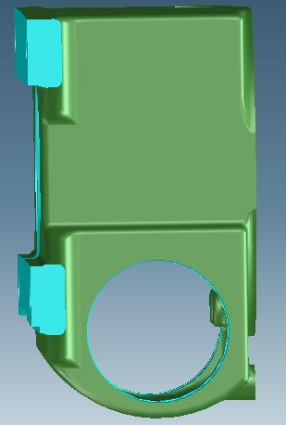
Z301.516-0 | SOG90.0007-1-02 | LAGERDECKEL M SOG90.0007-1-02 | EN-GJL-200 | 2.9 | 60 | 8/50/100/450 | 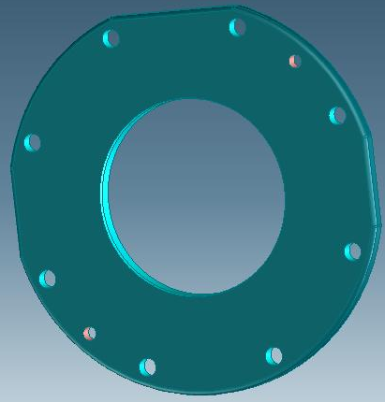
Z302.192-0 | S450.1-9-12 | ABDECKHAUBE M S450.1-9-12 | EN-GJL-150 | 10.12 | 20 | 5/10/15
Z303.453-0 | A125-5-40-0008 | RADKOERPER M A125-5-40-0008 | EN-GJS-400-15 | 7.6 | 60 | 60 | 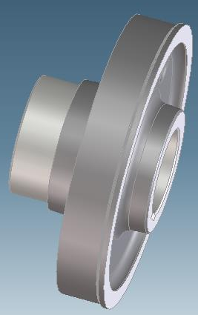 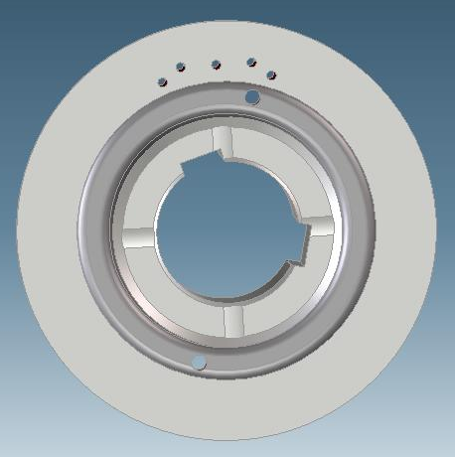
Z302.412-0 | A140-5-35-1001 | RADKOERPER M A140-5-35-1001-UNGRUNDIERT | EN-GJS-400-15 | 7.04 | 200 | 100 | 